Revision2 xlookup
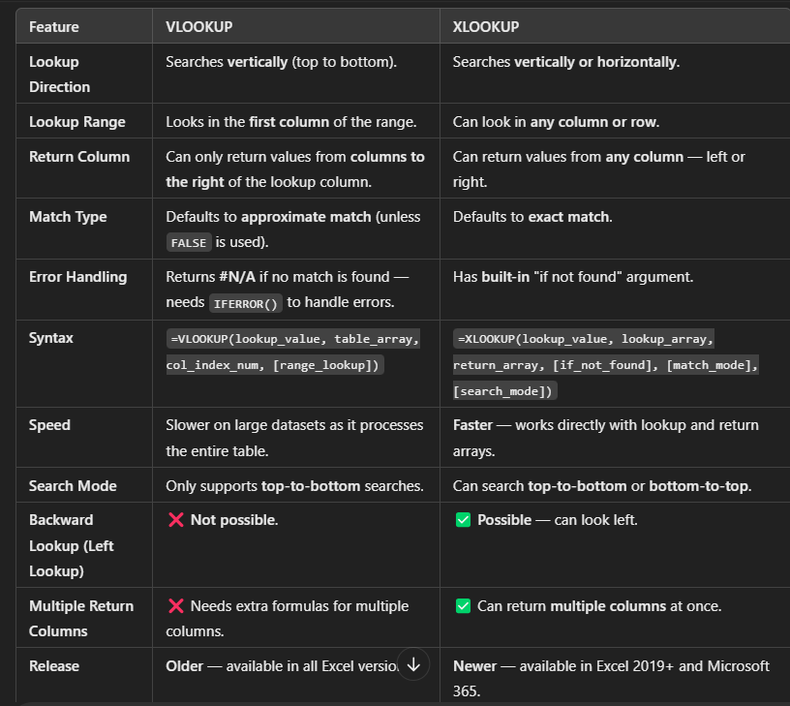

Name | Age | Gender | Position | Salary
Sajal Singhal | 34 | Female | Finance | 30479
Bijendra Singh | 53 | Female | Operations | 31809 |  |  | Using Vlookup
Kranti Bheke | 59 | Female | Marketing | 39769 |  |  | Name(lookup value) | Adhir Samal
Vipin Paward | 26 | Female | Finance | 75792 |  | 2 | Age
Rakesh Sharma | 59 | Male | Sales | 84784 |  | 3 | Gender
Dannana Jhammi | 44 | Female | Sales | 98803 |  | 4 | Position
Roshan Zameer | 45 | Female | Operations | 100741 |  | 5 | Salary
Suvankar Adhikary | 27 | Female | Support | 121734
Kuntal Patra | 48 | Male | Data Scientist | 127313 |  | Q1 | find the Position of "Aniruddha Kale"
Ranjeet Kumar | 54 | Male | HR | 136087 | Using Vlookup | ans | Sales
Adhir Samal | 58 | Male | Sales | 148988 | Using xlookup | ans | Sales
Aniruddha Kale | 37 | Male | Sales | 149030
Akhilesh Kumar | 47 | Female | Sales | 150145 |  | Q2 | Find the salary of the employee whose position is "Product Manager".
Suvankar Chakraborty | 35 | Female | Software Engineer | 158214 | Using Vlookup | ans | 172266
Vipin Kumar | 39 | Female | Product Manager | 172266 | Using xlookup | ans | 172266
Aslam Raza | 46 | Female | Finance | 182507
Shivanand Sahani | 59 | Male | Product Manager | 184551 |  | Q3 | Find the name of the employee earning a salary of 150145.
 |  |  |  |  | Using Vlookup | ans | not apply vlookup
 |  |  |  |  | Using xlookup | ans | Akhilesh Kumar

 |  |  |  |  |  | Q4 | Find the salary of the last person in the "Sales" position.
 |  |  |  |  | Using Vlookup | ans | 84784
 |  |  |  |  | Using xlookup | ans | 150145

 |  |  |  |  |  | Q5 | Find the name of age 45
 |  |  |  |  | Using Vlookup | ans | Does work
 |  |  |  |  | Using xlookup | ans | Roshan Zameer

